Help
Budget Worksheet 2017

Entered by Accounting, revise by RD
Enter by Property or RD
Formula - Do net enter or overwrite
Regional and Acctg Review notes and line item help
Enter only one amount - auto fill

Quick Tips |  |  | Tabs
You will only use the Setup and the Input Tabs. The others are for reference. |  |  | Help | This instruction sheet
 |  |  | Setup | Property name, Unit Mix, Payroll, Approvals
1. Review and establish Market Rents for each unit for 2017 |  |  | Summary | One Page Summary of 2017 Budget
2. Follow the color coding for entry on the Setup Tab |  |  | Input | Enter your assumptions only in this sheet
3. Do not enter amounts month by month unless they change |  |  | 2018 | Budget for 2017 based on your assumptions in Setup and Input
4. Override the monthly amounts in the Yellow Cells |  |  | 2017 | 2016 Actuals through Sep 2016, and 2016 Budget for Oct Nov Dec
5. You can only insert rows in certain areas of the Setup Tab. |  |  | 2016 | Actuals for 2015
 |  |  | Upload | Form to push approved budget to OneSite Accounting

Data Entry Instructions
This sheet will answer most of your questions concerning this Budget Worksheet. It is designed to give you a great deal of
flexibility, yet be very easy to enter all of your budget assumptions. You are provided with the information that does not
change, or information that is available from OneSite Leasing and Rents already entered in the Setup Tab. Once you verify the
assumptions, you can then go through the Input Tab and enter the budget amounts for each GL Account. As you enter the
budget, if the budget amount is the same each month, simply enter the amount in the Green Monthly column. An entry in a
Green Cell will put the same amount in every month in Budget 2017. Yellow Cells add to the Green Cell amounts for the
months where the budget is not the same, ie. A/C goes up in the summer months. There is no need to enter zeros, if the
amount is zero, leave the cell blank. Do not use the space bar to zero out a cell, use the delete key to take something out.

 |  |  |  |  |  |  | fix

Notice that the GL Account number for several accounts are shaded blue. The amount for these lines should be entered on the Contracts page of
the Setup Tab. You can add or delete rows in the contracts section, and it will automatically indicate that the account number has a contract
associated with it by turning the GL account blue. You can have several contracts for the same GL account. The total of all contracts will appear
in the Monthly Amount column.

Unit Information
Enter the actual Market Rent you expect to get in the month where the increase is projected.

Loss to Lease
Loss to Lease is created when a lease is signed for an amount different from market rent, or if market rents are changed. The Market rent in
OneSite should be the amount charged to recent applicants for each unit type. This formula will calculate loss to lease by estimating the
effect of move-outs and renewals. Enter the amount of the new new lease compared to the replaced lease. It uses projected Expirations
and Move-Ins to adjust the Loss to Lease.
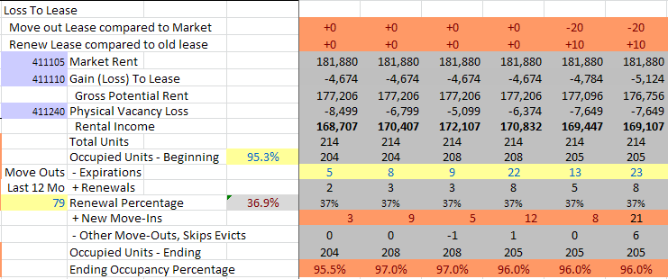

Payroll
The actual payroll as of Sep 30 has been entered for you from the payroll records. Make changes to the names as projected.
Salaries are rounded to the nearest $10. Enter the amount of rent discounts to employees and the unit number if at this property.

Contracts
Many standard contracts have been entered for you. Please call and verify contract prices with every vendor. Enter the contract
price for 2017. In the Input tab, if the GL Account Number is shaded blue, enter the amount in the Setup Tab. If a line item
includes a contract plus other non contract amounts, enter the additional amount to be added to the months in yellow. The
Account number in the Input Tab will turn blue to remind you to enter it in contracts.

Utilities
Contact your local utility and ask them for the amount of the expected increase for 2017

Budget Routing Schedule
As you complete the budget, please log your progress against the established deadlines as indicated on the Setup Tab.

Comments/Suggestions/Concerns
If you find something in this budget that needs to be changed, log it in the setup tab. All changes must be logged.

Printing Reports
All print ranges are predefined to fit on 8.5 x 11 inch paper, landscape. Simply select the tab, then print.

Budget Review
After the budget is entered, use the following statistics to verify the totals.
 | Budget Master
 | Budget Worksheet 2018
 |  | Budget | Actual |  | Actual
 |  | 2018 | 2017 | % Chg | 2016 | % Chg
 | Occupany Percent | 96.3% | 95.80% | 0.49% | 93.80% | 2.13%
 | Gross Potential Rent | 2,918,653 | 2,094,186 | 39.37% | 2,030,987 | 3.11%
 | Rent per Occupied Unit | 1,003.61 | 759.94 | 32.07% | 721.62 | 5.31%
 | Annual Expenses | 806,579 | 866,122 | -6.87% | 890,123 | -2.70%
 | Per Unit per Year | 3,666 | 3,937 | -6.87% | 4,046 | -2.70%
 | Net Operating Income | 2,146,536 | 1,300,780 | 65.02% | 1,196,494 | 8.72%
 | Average Collected Rent per Month | $1,058 | $493 | 114.76% | $453 | 8.72%
 | Average Collected Rent per Sq Ft | 2.33 | 1.08 |  | 1.00
 | Employees per 100 units | 2.7
 | Taxes | 129,138 | 129,138 | 0.00% | 127,112 | 1.59%
 | Per Unit Taxes | 587 | 587 |  | 578
 | Total Expenses Per Unit before Taxes | 3,079 | 3,350 |  | 3,468
 | Insurance | 28,766 | 28,766 | 0.41% | 28,649 | 0.00%
 | Per Unit Insurance | 131 | 131 |  | 130

 | 2016 IREM Expense Survey Las Vegas NV Garden Style Apts | Budget 2017

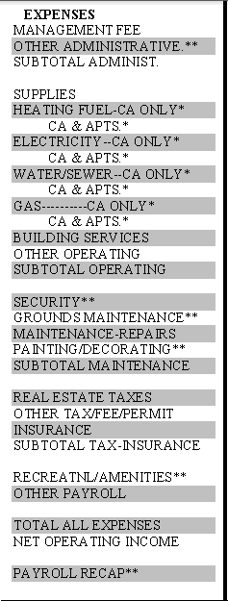
 |  | 403
 |  | 214
 |  | 617

 |  | 137

 |  | 113,930

 |  | 112
 |  | 112
 |  | 166
 |  | 362
 |  | 587

 |  | 131
 |  | 718

 |  | 3,666
 |  | 9,757
 |  | 1,270

Graphs
Budget Master | Dashboard
Occupancy Percentage
 | 2016 | 2017 | 2018
2010-01-20 | 94.3 % | 93.8 % | 95.00%
2010-02-20 | 94.2 % | 94.9 % | 95.00%
2010-03-20 | 95.8 % | 97.0 % | 95.00%
2010-04-20 | 96.0 % | 95.5 % | 94.55%
2010-05-20 | 94.9 % | 95.0 % | 94.09%
2010-06-20 | 95.9 % | 96.2 % | 94.55%
2010-07-20 | 95.0 % | 96.8 % | 95.23%
2010-08-20 | 95.8 % | 95.8 % | 95.68%
2010-09-20 | 95.4 % | 95.8 % | 95.45%
2010-10-20 | 94.9 % | 95.8 % | 95.00%
2010-11-20 | 94.8 % | 95.8 % | 94.55%
2010-12-20 | 93.8 % | 95.8 % | 94.09%
Net Rental Income
 | 2016 | 2017 | 2018
2010-01-20 | 163,630 | 157,622 | 225,734
2010-02-20 | 160,912 | 168,948 | 227,034
2010-03-20 | 153,403 | 174,051 | 228,334
2010-04-20 | 160,529 | 168,375 | 229,094
2010-05-20 | 153,013 | 164,104 | 229,630
2010-06-20 | 158,898 | 171,064 | 232,344
2010-07-20 | 159,973 | 173,938 | 235,529
2010-08-20 | 163,029 | 163,365 | 238,168
2010-09-20 | 159,306 | 163,365 | 237,174
2010-10-20 | 163,398 | 163,365 | 237,009
2010-11-20 | 162,977 | 163,365 | 236,844
2010-12-20 | 161,386 | 163,365 | 236,605

Expenses per Unit
 | 2016 | 2017 | 2018
Per Unit per Year | 4,046 | 3,937 | 3,079
Expiring Leases by Month
 | 2016 | 2017 | 2018
 | 18 | 22 | 20
 | 17 | 13 | 20
 | 22 | 23 | 20
 | 14 | 11 | 25
 | 6 | 11 | 25
 | 17 | 11 | 25
 | 28 | 37 | 20
 | 8 | 4 | 20
 | 11 | 7 | 20
 | 8 | 9 | 15
 | 3 | 1 | 15
 | 0 | 0 | 10

Expirations
Run the Lease Expiration Bar Graph with these parameters
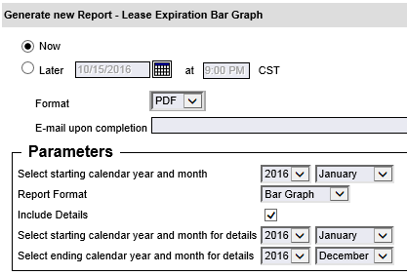

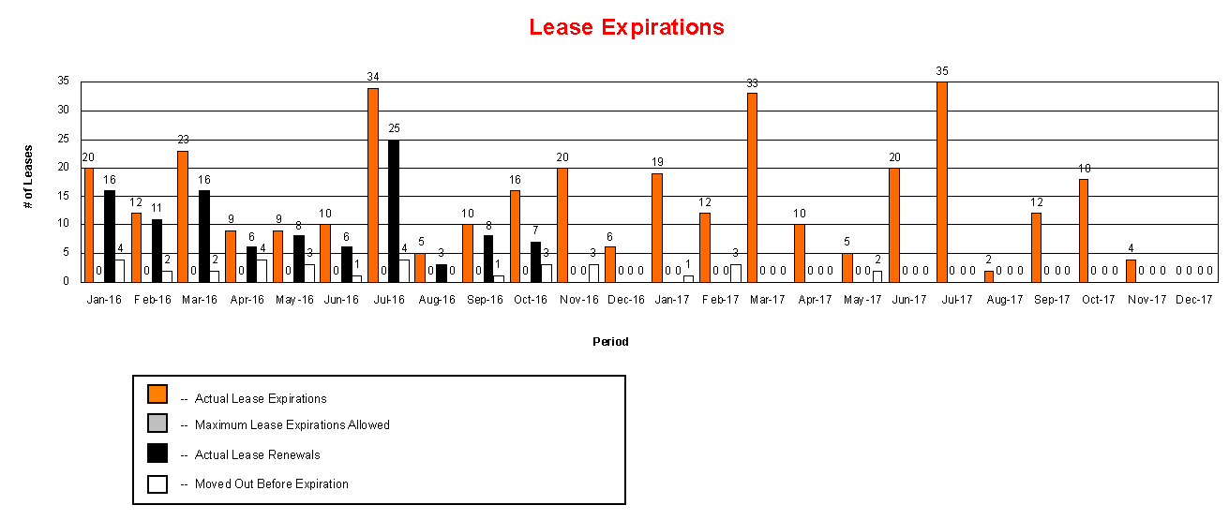

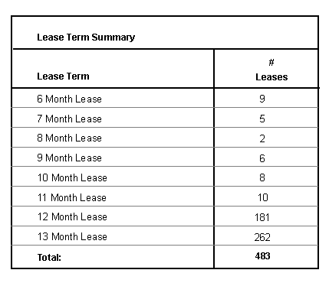

Regional should enter the Percentage expiring by month in Setup> Leasing and Rents> Lease Expiration

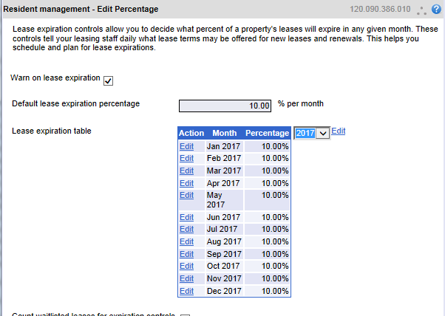

43009

