Parts
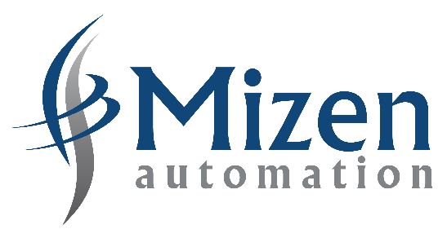 |  | Surplus Equipment - Buy Back Request Form. Return completed form to - sales@mizenautomation.com or upload on our website. |  | Programmable Logic Controllers (PLC’s) |  | Variable Speed Drives – AC/DC (VSD’s) | Equipment Condition Options
 |  |  |  | Human Machine Interfaces (HMI’s) |  | Power Supplies | NSS | New Surplus Sealed - Unused part, unbroken factory seal on box
 |  |  |  | Drives – AC/DC |  | Inverters | NSO | New Surplus Open - Unused part, broken seal on box
 |  |  |  | PanelViews / Monitors |  | Instruments | Used | Used Part - Considered working
 |  | www.mizenautomation.com |  | Industrial Controls |  | Electrical Hardware
 |  |  |  | Servo Drives |  | Much More

Name: | Insert Name | E-mail: | Insert e-mail address | Equipment Loaction: |  | Example - Otago, New Zealand
Manufacturer | Part Number | Series | Description | Qty | Condition | Comments/Notes

