1. Accreditation Form
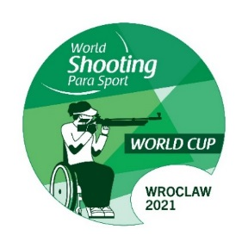
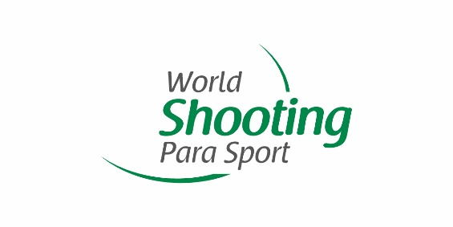
 |  | Wroclaw 2021 World Shooting Para Sport World Cup
 |  | Wroclaw, Poland
 |  | 10-20 April, 2021

 | ACCREDITATION LIST
 | Please return by February 14, 2021
 | oc@wc-wroclaw.pl

 | NPC
 | Contact Person
 | Email
 | Phone number

 | First Name | Last Name | Gender | Passport |  | Role in the Team
 |  |  | (M/F) | No. | Expiry
1
2
3
4
5
6
7
8
9
10
11
12
13
14
15
16
17
18
19
20
21
22
23
24
25
26
27
28
29
30

2. Accommodation Booking
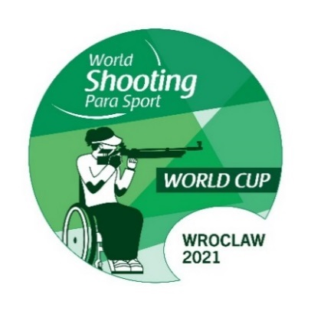
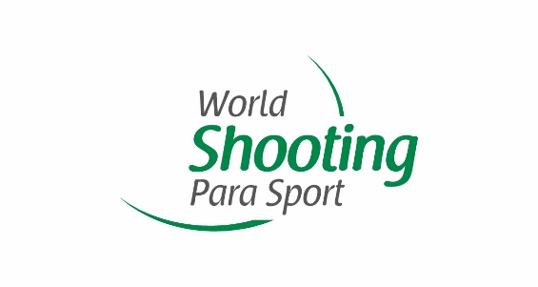
Wroclaw 2021 World Shooting Para Sport World Cup
Wroclaw, Poland
10-20 April, 2021

ACCOMMODATION BOOKING REQUEST
Please return by February 14, 2021
oc@wc-wroclaw.pl

NPC
Contact Person
Email
Phone number

 | Occupant 1 |  |  |  |  |  |  | Occupant 2
 |  |  |  | Wheelchair |  |  |  |  |  |  | Wheelchair
Room type | First Name | Last Name | Gender | YES / NO | Electric / manual | width (cm) | Able to tranfer to seats YES / NO | First Name | Last Name | Gender | YES / NO | Electric / manual | width (cm) | Able to tranfer to seats YES / NO | Check In | Check Out | Number pf nights | Role in the team
Twin / double / single |  |  | (M/F) |  |  |  |  |  |  | (M/F) |  |  |  |  | Date | Date

SUMMARY
Room Type |  | Total Number of Rooms Requested |  | Total Number of Nights
Twin / Double Rooms
Single Rooms

3. Transportation Information


Wroclaw 2021 World Shooting Para Sport World Cup
Wroclaw, Poland
10-20 April, 2021

TRANSPORT INFROMATION
Please return by February 14, 2021
oc@wc-wroclaw.pl

NPC
Contact Person
Email
Phone number

First Name | Last Name | Role in the team | Accessbility |  |  |  | Number of Luggage/Firearms |  | Arrival |  |  |  |  |  |  | Departure |  |  |  |  |  |  | Booking of transport services between official hotel and shooting range?
 |  |  | Wheelchair user? | Electric / manual | Width (cm) | Able to tranfer to seats? | Luggage | Firearms | Date | Time | Method | Arrival Airport | Terminal | Airline | Flight number | Date | Time | Method | Departure Airport | Terminal | Airline | Flight number
 |  |  | YES / NO |  |  | YES / NO |  |  |  |  | AIR / CAR |  |  |  |  |  |  | AIR / CAR |  |  |  |  | YES / NO

SUMMARY |  |  |  |  |  | Special Comments
Total Number of Persons
Number of Wheelchair Users |  | Manual
 |  | Electric
 |  | Unable to transfer
Total Number of Baggages
Total Number of Firearms
Total Number of Persons requesting transport services between official hotels and shooting range

5. Invoice


Wroclaw 2021 World Shooting Para Sport World Cup
Wroclaw, Poland
10-20 April, 2021

INVOICE
Final Payment Deadline: February 28, 2021

NPC
Contact Person
E-Mail
Telephone No.

INVOICE No. | 2021-WSPS-

Entry fee | Number of Athletes |  | Number of Starts | Number of Officials | Athlete Total | Officials Total | Total

 | Individual |  |  |  | € - | € - | € -
 | Teams
Accommodations and meals | Number of Persons |  | Room Type | Number of Rooms Booked | Number of Nights Booked | Cost Per Night(EUR) | Sub Total
 |  |  |  |  |  | (70 EUR/Person)
 |  |  | Twin / Double Room |  |  | € 210 | € -
 |  |  | Single Room |  |  | € 165 | € -
Transport services | Number of Persons |  |  |  | Charge Per Person (EUR) |  | Sub Total
 |  |  |  |  | € 100.00 |  | € -
 |  |  |  |  | Grand Total (EUR) |  | € -

VERIFICATION BY REPRESENTATIVE OF NPC

Name |  | Signature |  |  | NPC Stamp |  | Date

Banking Information of LOC

Account Holder |  | POLISH SPORT SHOOTING FEDERATION
Bank |  | Alior Bank SA
Reference |  | Entry Fee Wroclaw 2021 World Shooting Para Sport World Cup (Country Name)
Account Number |  | PL 35 2490 0005 0000 4600 2828 8682
SWIFT Code |  | ALBPPLPW

