Mistakes
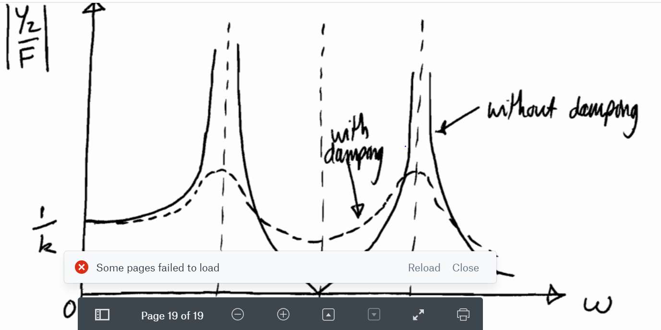
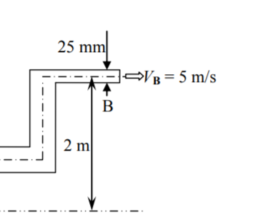
Past Papers
Year | Question | Topic | Comments/How to fix | Useful Screenshots (usually of answers for revisit later)
2019 | 1 | Differentiation | Remember differentiation is dy/dx
 | 5 | Kinematics | To find minumum stationary point differentiate twice and …
 | etc. |  | etc.

