Mapping
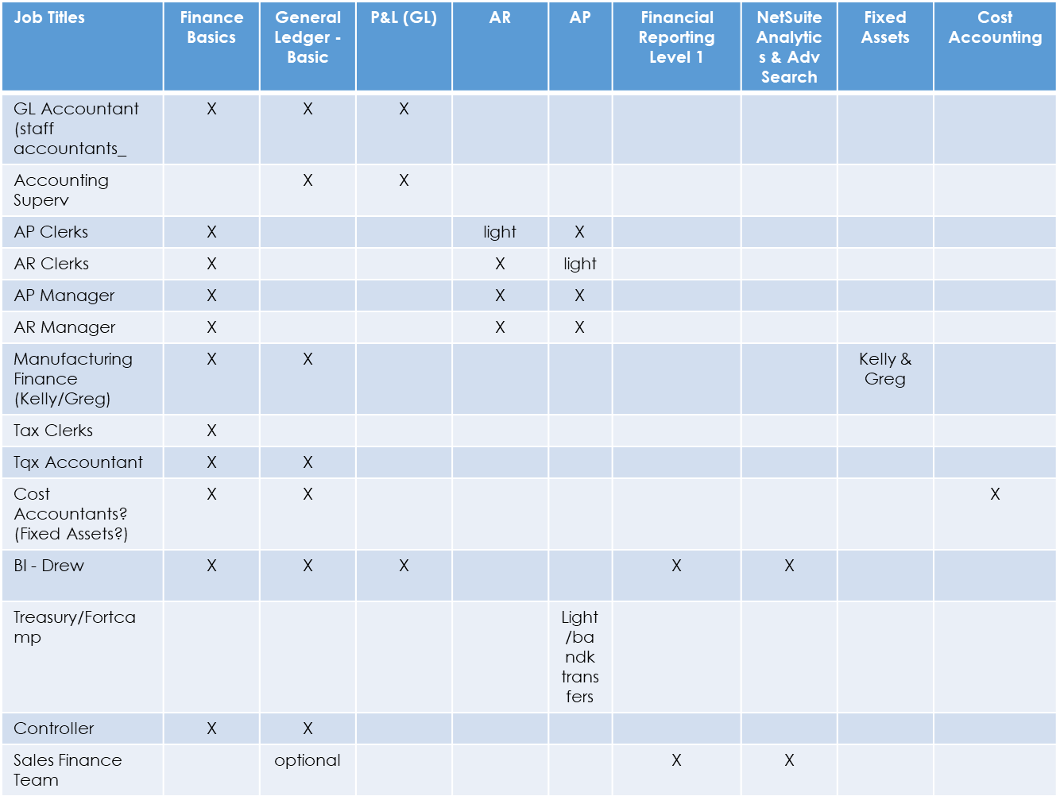
Align Roles to Job Families/Titles
Roles & Permissions

Training Needs

Inputs | •Capability Maps •User Stories •Scope Documentation •Workshop Readout Doc | •L1-L4 Processes •Organization Jobs Impacted by Processes | •Process to Job Title Mapping •System Roles if defined

Position/Job Title Training Needs

