Cable Positions
 |  | CABLE POSITIONS
Outside View | Outside View
BLIND No.
GROUP MARK:
BLIND No.
GROUP MARK:

15mm
15mm
15mm
15mm

* Outside view, denote cable position left to right | * Outside view, denote cable position left to right
Outside View | Outside View
BLIND No.
GROUP MARK:
BLIND No.
GROUP MARK:
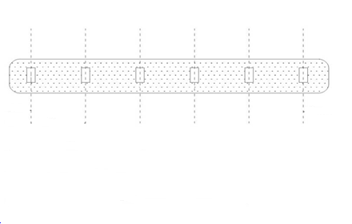

15mm
15mm
15mm
15mm

* Outside view, denote cable position left to right | * Outside view, denote cable position left to right
Outside View | Outside View
BLIND No.
GROUP MARK:
BLIND No.
GROUP MARK:

15mm
15mm
15mm
15mm

* Outside view, denote cable position left to right | * Outside view, denote cable position left to right
Outside View | Outside View
BLIND No.
GROUP MARK:
BLIND No.
GROUP MARK:

15mm
15mm
15mm
15mm

* Outside view, denote cable position left to right | * Outside view, denote cable position left to right
Outside View | Outside View

BLIND No.
GROUP MARK:
BLIND No.
GROUP MARK:

15mm
15mm
15mm
15mm

* Outside view, denote cable position left to right | * Outside view, denote cable position left to right
Outside View | Outside View
BLIND No.
GROUP MARK:
BLIND No.
GROUP MARK:

15mm
15mm
15mm
15mm

* Outside view, denote cable position left to right | * Outside view, denote cable position left to right
Outside View | Outside View
BLIND No.
GROUP MARK:
BLIND No.
GROUP MARK:

15mm
15mm
15mm
15mm

* Outside view, denote cable position left to right | * Outside view, denote cable position left to right

