Cable Poistions 1
CABLE POSITIONS
BLIND No.
GROUP MARK:
BLIND No.
GROUP MARK:

15mm
15mm
15mm
15mm

BLIND No.
GROUP MARK:
BLIND No.
GROUP MARK:
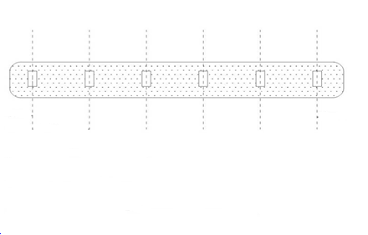

15mm
15mm
15mm
15mm

Cable Poistions 2
CABLE POSITIONS
BLIND No.
GROUP MARK:
BLIND No.
GROUP MARK:

15mm
15mm
15mm
15mm

BLIND No.
GROUP MARK:
BLIND No.
GROUP MARK:

15mm
15mm
15mm
15mm

