COVER SHEET
Motorised Curtain Track Reference Sheet

Track Type
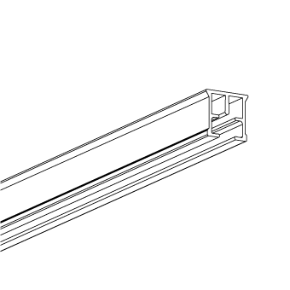
FMS

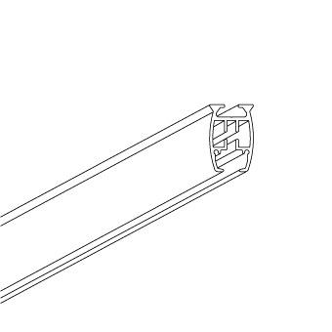
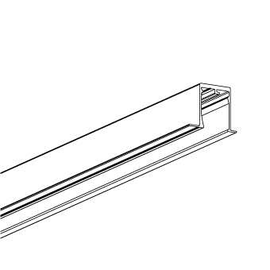
FMS Plus Track | FMS Plus Recess profile White | FMS-Plus Recess Corner 90˚ White
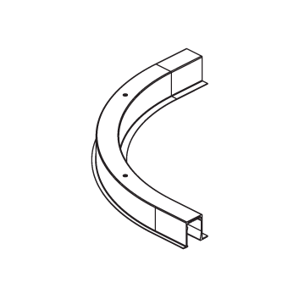

Heading type ( Ripplefold / Easywave )

Ripple Fold with Stud Tape

 | 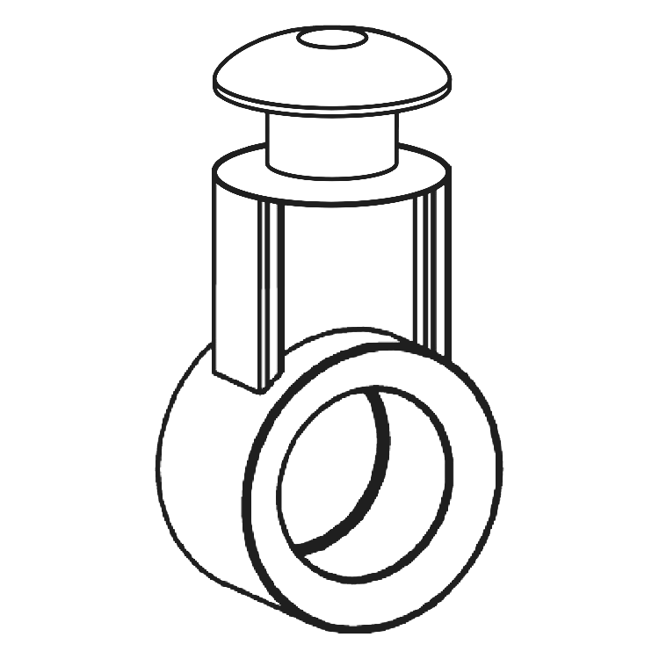
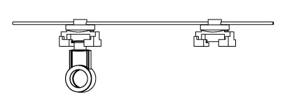

RIPPLE FOLD BASE | FES EASYSNAP 2 SIDED CARRIER | FES TAPE
• Used with the FES Easysnap 2 sided carrier • Colours - White & Black | • Used with FES tape • Used with 60%, 80% + 100% Ripplefold base runners • Colours - White & Black | • Available in White, Black or Transparent • Used with the FES Easysnap 2 sided carrier • Used with 60%, 80% + 100% Ripplefold base runners

Ripple Fold with Easyflex Tape

 | 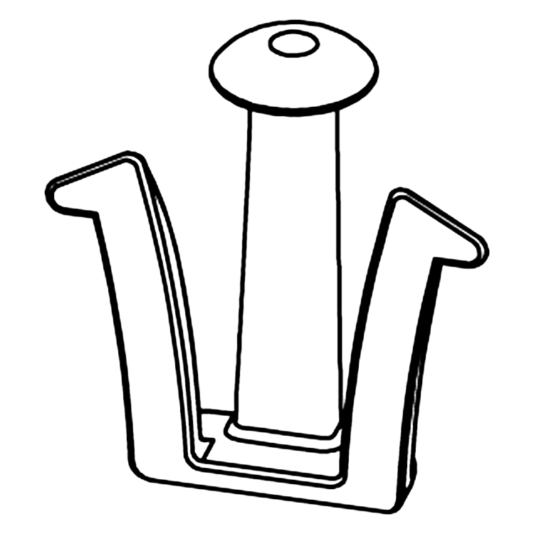 | 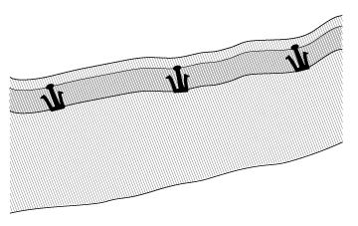

RIPPLE FOLD BASE | EASYFLEX HOOK | EASYFLEX TAPE
• Used with the Easyflex hook • Colours - White & Black | • Used with Easyflex tape • Used with 60%, 80% + 100% Ripplefold base runners • Colours - White & Black | • Used with Easyflex hook • Used with 60%, 80% + 100% Ripplefold base runners

Easywave with Easyflex Tape

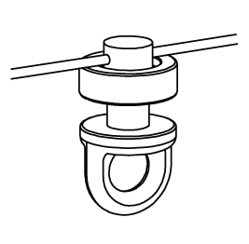 | 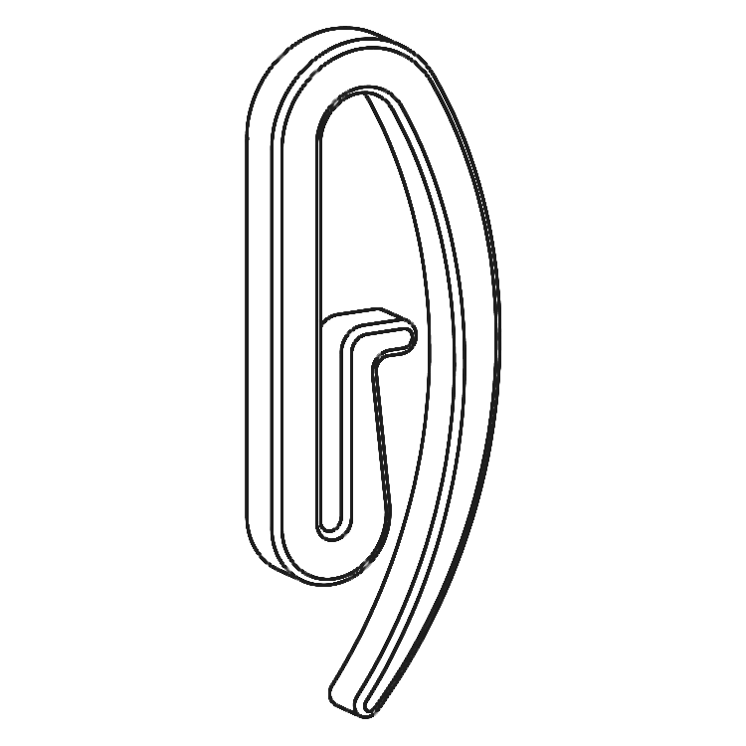 | 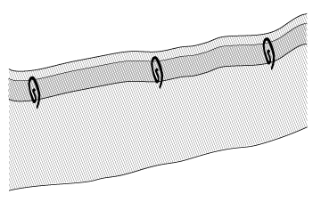

EASYWAVE RUNNER | EASYFLEX ENDHOOK | EASYFLEX TAPE
• Used with the Easyflex end hook • Colours - White only | • Used with Easyflex tape • Used with 60% + 80% Easywave Runners • Colours - White only | • Used with the Easyflex end hook • Used with 60%, 80% Easywave runners

Brackets

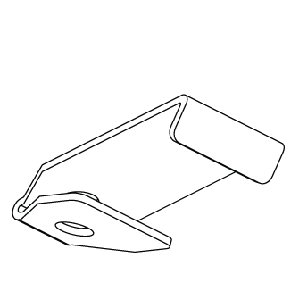
Ceiling Bracket
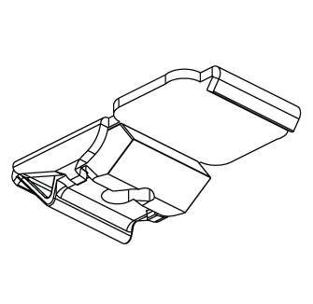

Ceiling Bracket W-Hole | Ceiling Bracket S-Klick

Wall Bracket Single

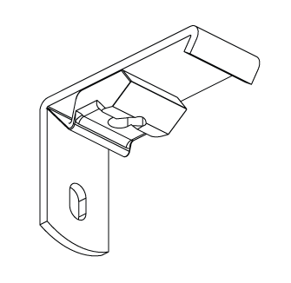 | 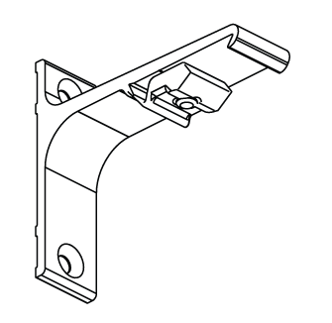 | 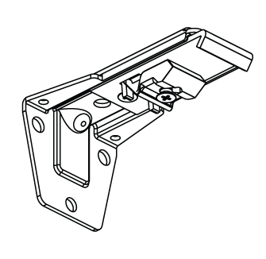

Wall Bracket 3.5 cm | Wall Bracket 7.5 cm | Adjustable Wall Bracket Single

Wall Bracket Double

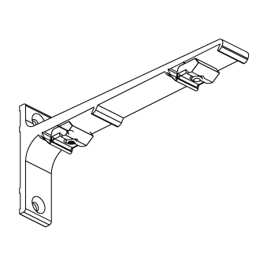 | 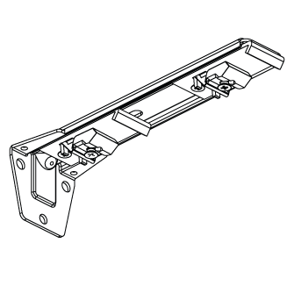

Wall Bracket 15 cm - Double | Adjustable Wall Bracket - Double

