Cover Sheet
Hand Operated Curtain Track Reference Sheet

Track Type

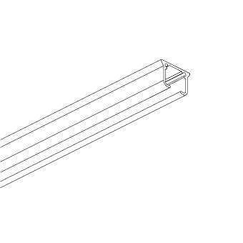
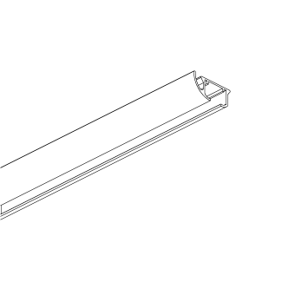
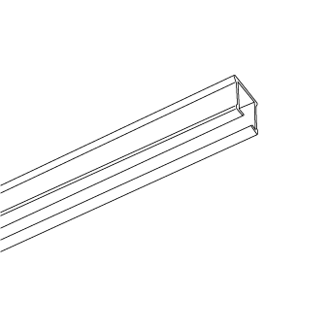
KS |  | DS |  | CS

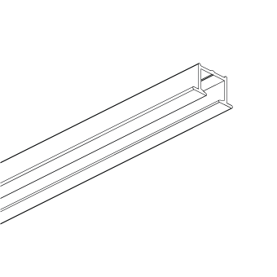
KS Recess

Heading type ( Ripplefold / Easywave )

Ripple Fold with Stud Tape

 | 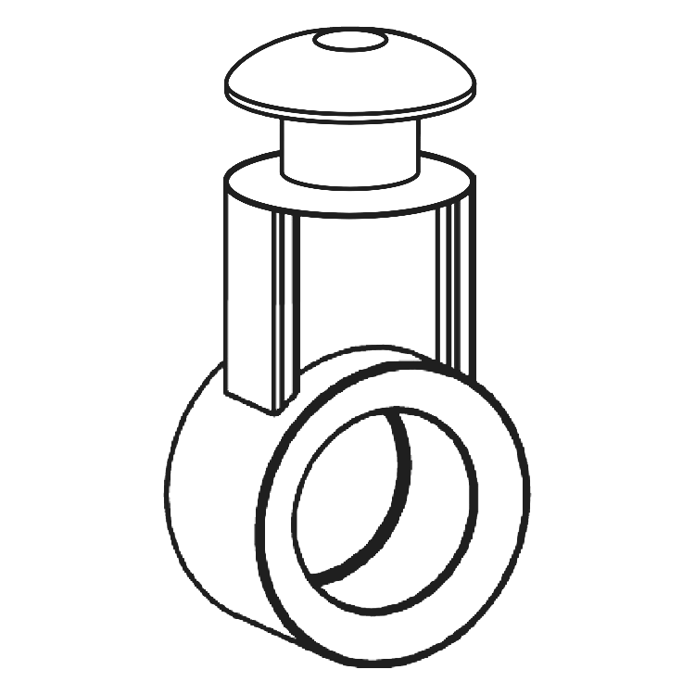
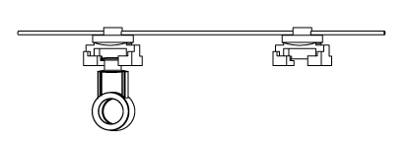

RIPPLE FOLD BASE | FES EASYSNAP 2 SIDED CARRIER |  | FES TAPE
• Used with the FES Easysnap 2 sided carrier • Colours - White & Black | • Used with FES tape • Used with 60%, 80% + 100% Ripplefold base runners • Colours - White & Black |  | • Available in White, Black or Transparent • Used with the FES Easysnap 2 sided carrier • Used with 60%, 80% + 100% Ripplefold base runners

Ripple Fold with Easyflex Tape

 | 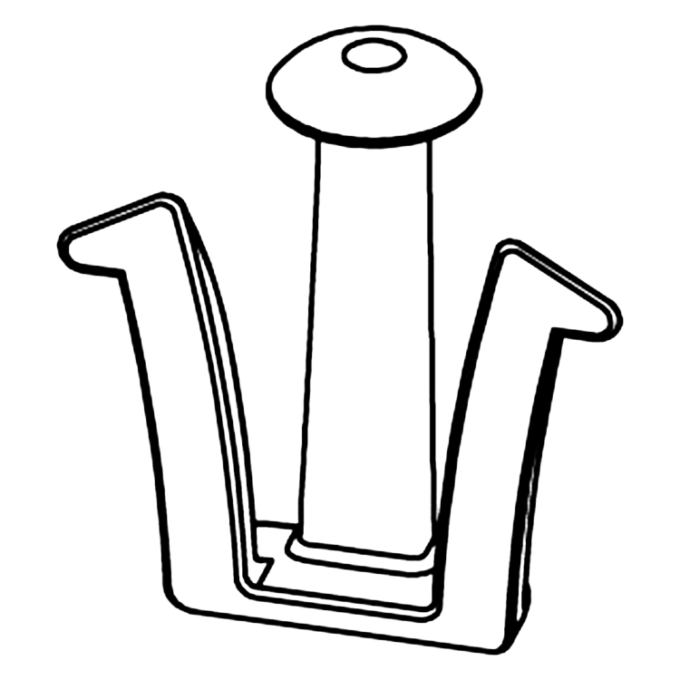 |  | 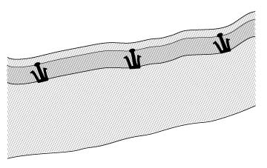

RIPPLE FOLD BASE | EASYFLEX HOOK |  | EASYFLEX TAPE
• Used with the Easyflex hook • Colours - White & Black | • Used with Easyflex tape • Used with 60%, 80% + 100% Ripplefold base runners • Colours - White & Black |  | • Used with Easyflex hook • Used with 60%, 80% + 100% Ripplefold base runners

Easywave with Easyflex Tape

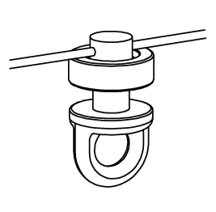 | 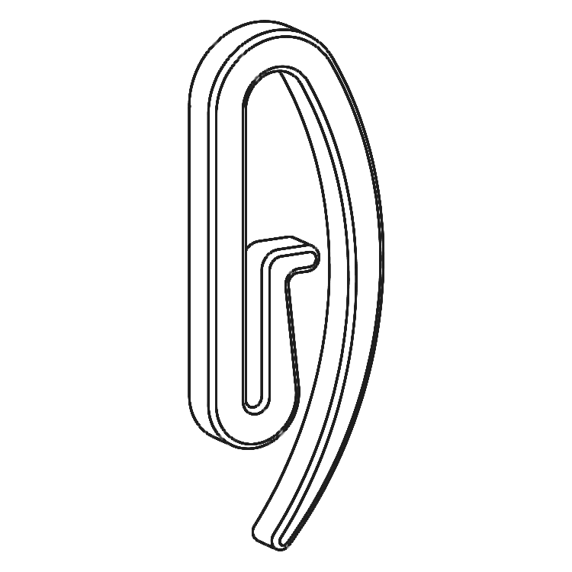 |  | 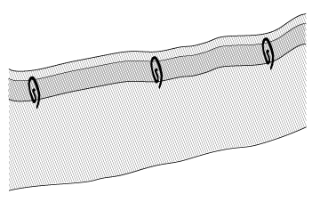

EASYWAVE RUNNER | EASYFLEX ENDHOOK |  | EASYFLEX TAPE
• Used with the Easyflex end hook • Colours - White only | • Used with Easyflex tape • Used with 60% + 80% Easywave Runners • Colours - White only |  | • Used with the Easyflex end hook • Used with 60%, 80% Easywave runners

Brackets
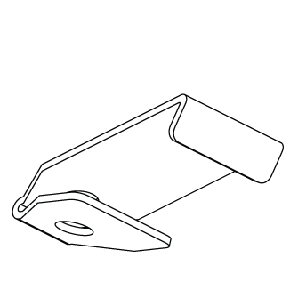
Ceiling Bracket

 | 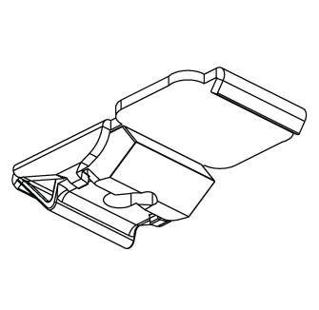

Ceiling Bracket W-Hole | Ceiling Bracket S-Klick

Wall Bracket Single

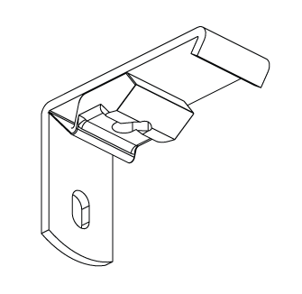 | 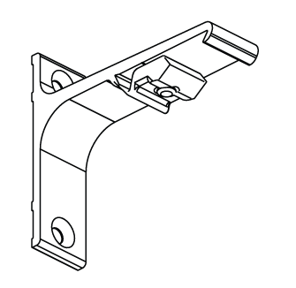 |  | 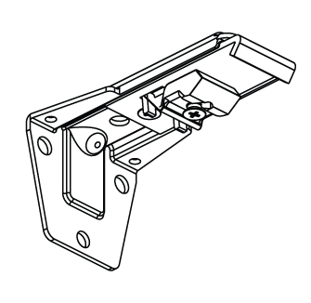

Wall Bracket 3.5 cm | Wall Bracket 7.5 cm |  | Adjustable Wall Bracket Single

Wall Bracket Double

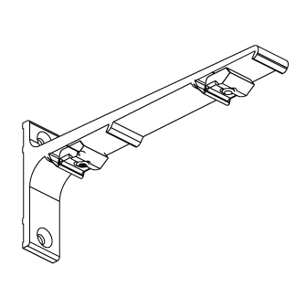 | 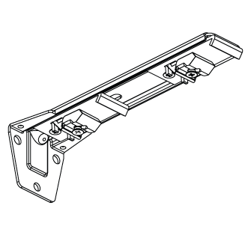

Wall Bracket 15 cm - Double | Adjustable Wall Bracket - Double

