Introduction
Introduction

 | Before You Start

 | This checklist is designed to help you adapt your hiring processes to successfully onboard remote employees. Below we have put together a number of additional resources that might help you as you work through this process. If you would like further guidance, feel free to reach out to us directly (https://www.occupop.com) and we'll be happy to help.

 | Recommended Resources
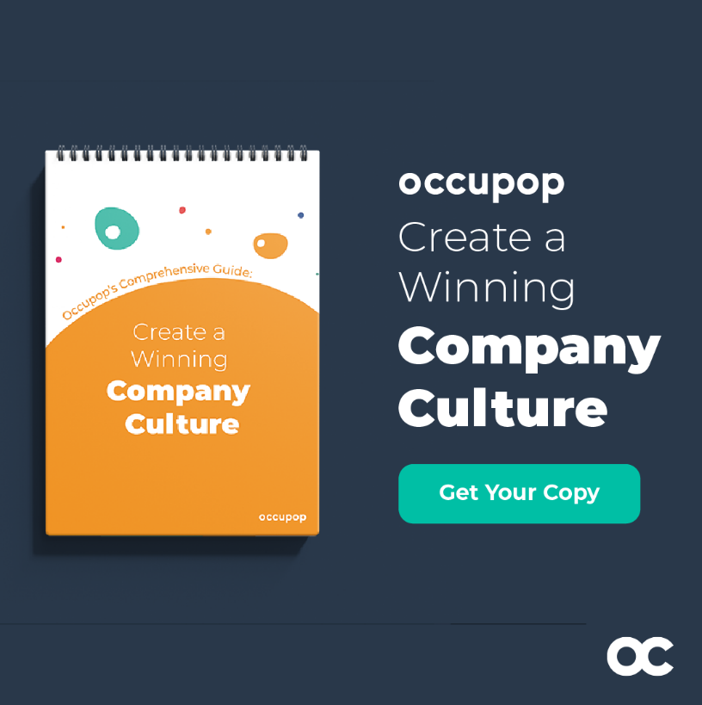
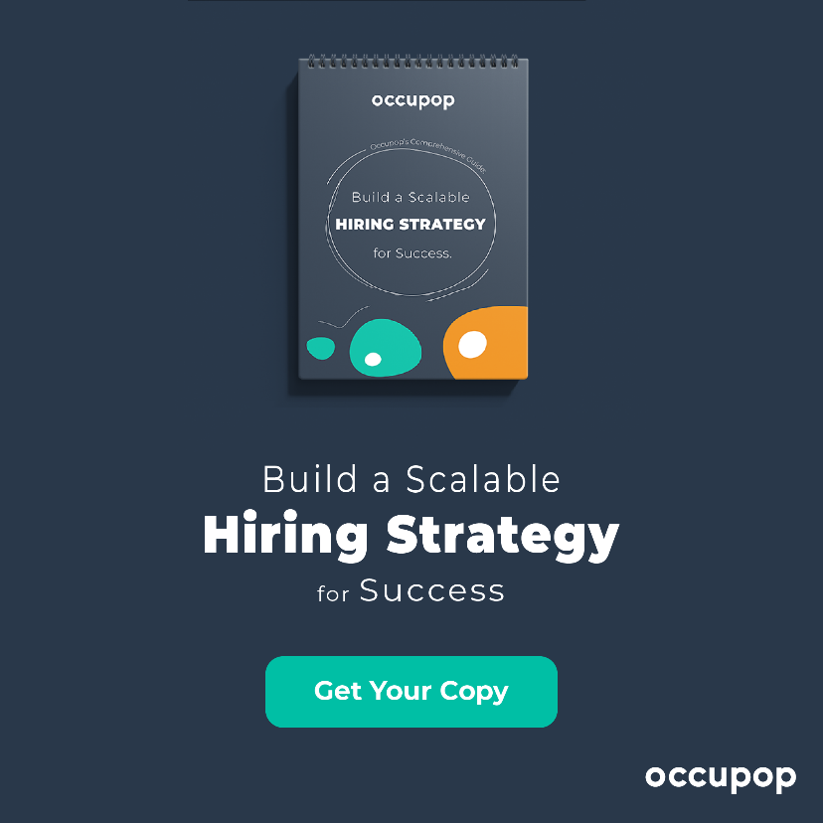

 | How to create a winning culture in your company | How to build a scalable hiring strategy - step by step guide

 | READ NOW | READ NOW

