Sheet1
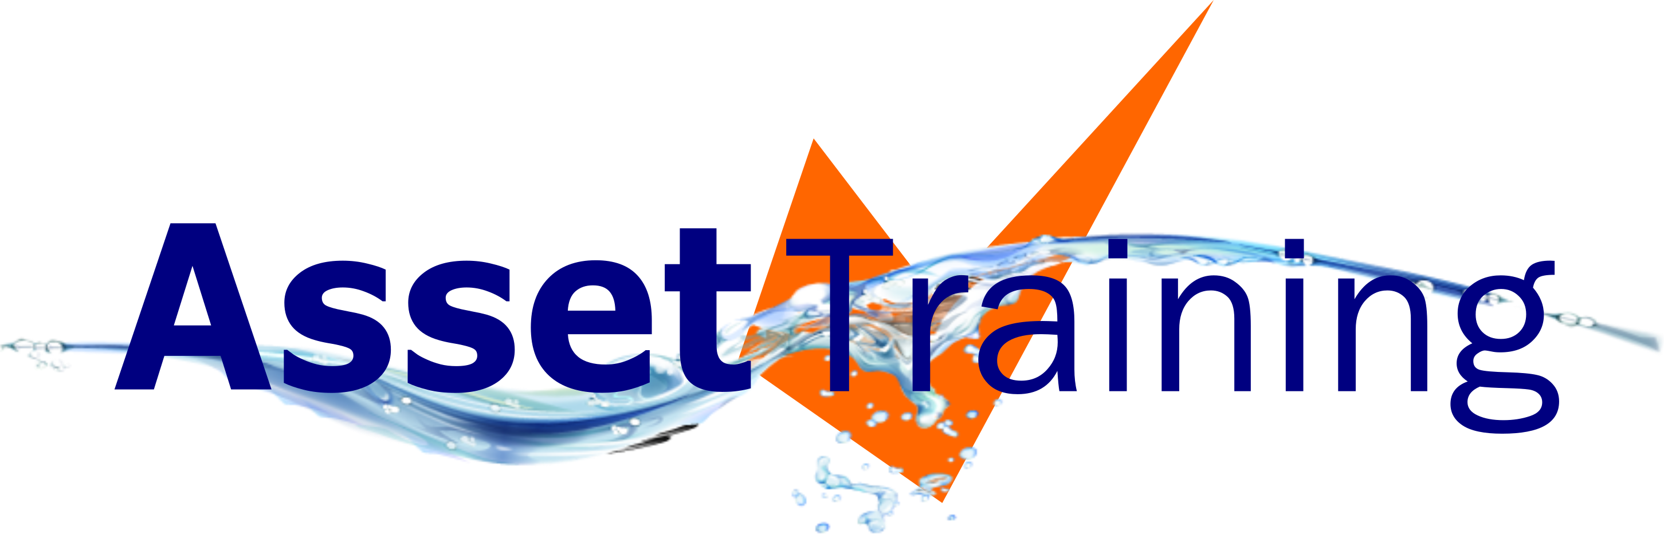
 |  |  |  |  |  |  |  | PHONE: | 1300 410 410
 |  |  |  |  |  |  |  | EMAIL: | info@assettraining.com.au
 |  |  |  |  |  |  |  | WEB: | http://assettraining.com.au

HPWJ Class Calculator |  |  |  |  |  |  | PLEASE NOTE
 |  |  |  |  |  |  | IMPORTANT - Enter your High Pressure Water Jet (HPWJ) pump outputs into the top 2 white text fields of your preferred METRIC, IMPERIAL, IMPERIAL/METRIC or BAR METRIC calculator section. ____________________________________ Asset Training's "HPWJ Class Calculator" is designed for HPWJ pump owners to easily calculate the class size of their HPWJ pump. The Australian & New Zealand Standards AS/NZS 4233.1:2013 High pressure water jetting systems - Safe Operation and Maintenance and Safe Work Australia's Guide for Managing Risks from High Pressure Water Jetting require all users and operators of Class "B" HPWJ pumps to be "formally trained" by an RTO. It is also required by the Australian and New Zealand Standards that users and operators of Class "A" HPWJ pumps who are at risk of injury should also have "HPWJ Awareness" training. Class "A" - between 800 & 5600 bar L/pm Class "B" - 5600 bar L/pm and over
 | kPa - KILOPASCAL |  | LITRES PER MINUTE |  | METRIC

 | bar |  | L/pm |  | bar L/pm | CLASS
 | 0 | x | 0 | = | 0

 | PSI - POUNDS PER SQ INCH |  | GALLONS |  | IMPERIAL

 | bar |  | L/pm |  | bar L/pm | CLASS
 | 0 | x | 0 | = | 0

 | PSI - POUNDS PER SQ INCH |  | LITRES PER MINUTE |  | IMPERIAL / METRIC

 | bar |  | L/pm |  | bar L/pm | CLASS
 | 0 | x | 0 | = | 0

 | BAR |  | LITRES PER MINUTE |  | BAR METRIC

 | bar |  | L/pm |  | bar L/pm | CLASS
 | 0 | x | 0 | = | 0

